Intro
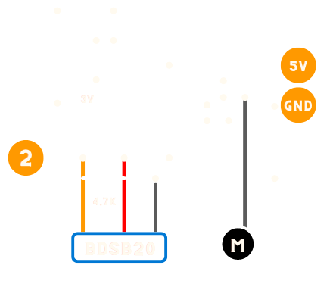
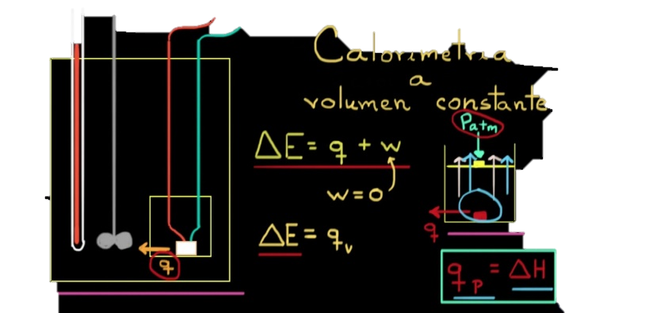

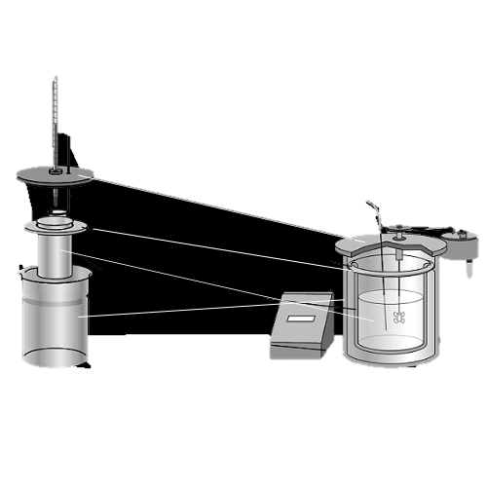

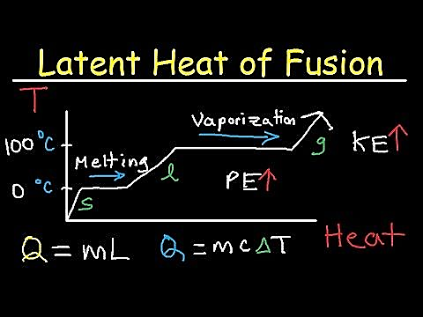
Calorimetro


3° Vanguardistas A (XIX)

Un calorímetro un dispositivo para medir la cantidad de calor liberado o absorbido en cualquier proceso físico, químico o biológico.

Siguiente >

Data In
Datos de temperatura
Se recopilan los datos del sensor DS18B20 por el puerto COM3
Current Data
Time | CH1
5:41:58 | 22.94
Grafica General
 | Datos de temperatura | Datos de temperatura
41:58.2 | 1900-01-22 22:33:36
Historical Data
Time | 0:00:00
41:33.0 | 1900-01-19 22:33:36
41:33.8 | 1900-01-20 00:00:00
41:34.6 | 1900-01-20 00:00:00
41:35.4 | 1900-01-19 22:33:36
41:36.2 | 1900-01-20 00:00:00
41:37.0 | 1900-01-19 22:33:36
41:37.8 | 1900-01-19 22:33:36
41:38.6 | 1900-01-20 00:00:00
41:39.4 | 1900-01-19 22:33:36
41:40.2 | 1900-01-20 00:00:00
41:41.0 | 1900-01-19 22:33:36
41:41.8 | 1900-01-19 22:33:36
41:42.6 | 1900-01-19 22:33:36
41:43.4 | 1900-01-19 22:33:36
41:44.2 | 1900-01-19 22:33:36
Grafica Detallada
Historical Data
Time | CH1
10:41:33 | 19.94
10:41:34 | 20
10:41:35 | 20
10:41:35 | 19.94
10:41:36 | 20
10:41:37 | 19.94
10:41:38 | 19.94
10:41:39 | 20
10:41:39 | 19.94
10:41:40 | 20
10:41:41 | 19.94
10:41:42 | 19.94
10:41:43 | 19.94
10:41:43 | 19.94
10:41:44 | 19.94 | < Anterior | Siguiente >

Settings
Workbook Settings
Settings below will affect how data is read into the current workbook from data sources. Clear a field's contents to revert to its default setting.

Data interval (ms): | 150

Data rows: | 15

Data channels: | 10 | 5

Data orientation: | Newest last

WARNING: Changing settings may result in the loss of content and/or custom formatting in the Data In and Data Out worksheets. Always save before changing values.

Siguiente >
< Anterior

